Example - Completed Timesheets
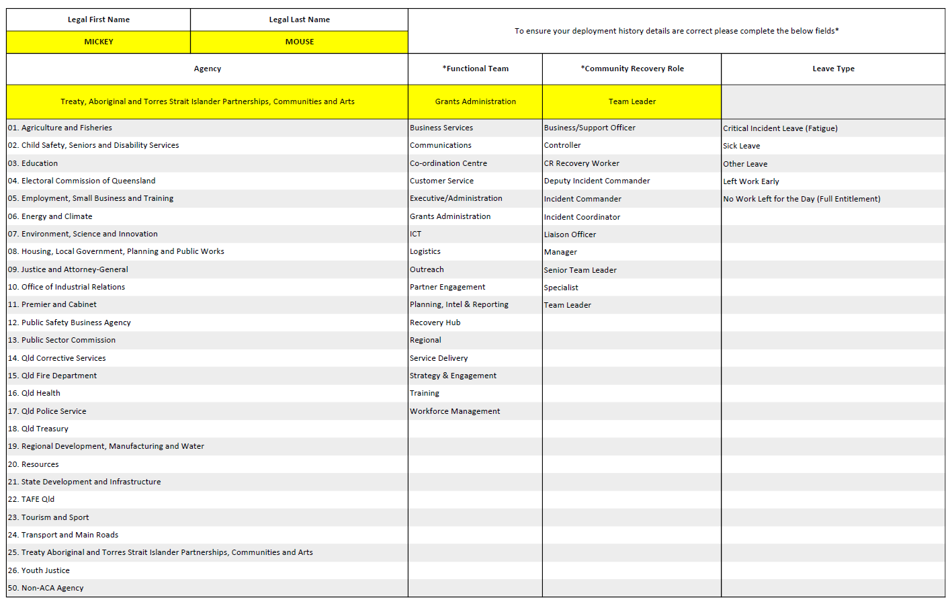
Example of correctly completed Community Recovery (CR) Timesheets

Completed Away From Home OVERNIGHT Timesheet
Only the Travel IN and Travel OUT of the disaster area are to be completed. Your start work time will be the time you left your accommodation each day.
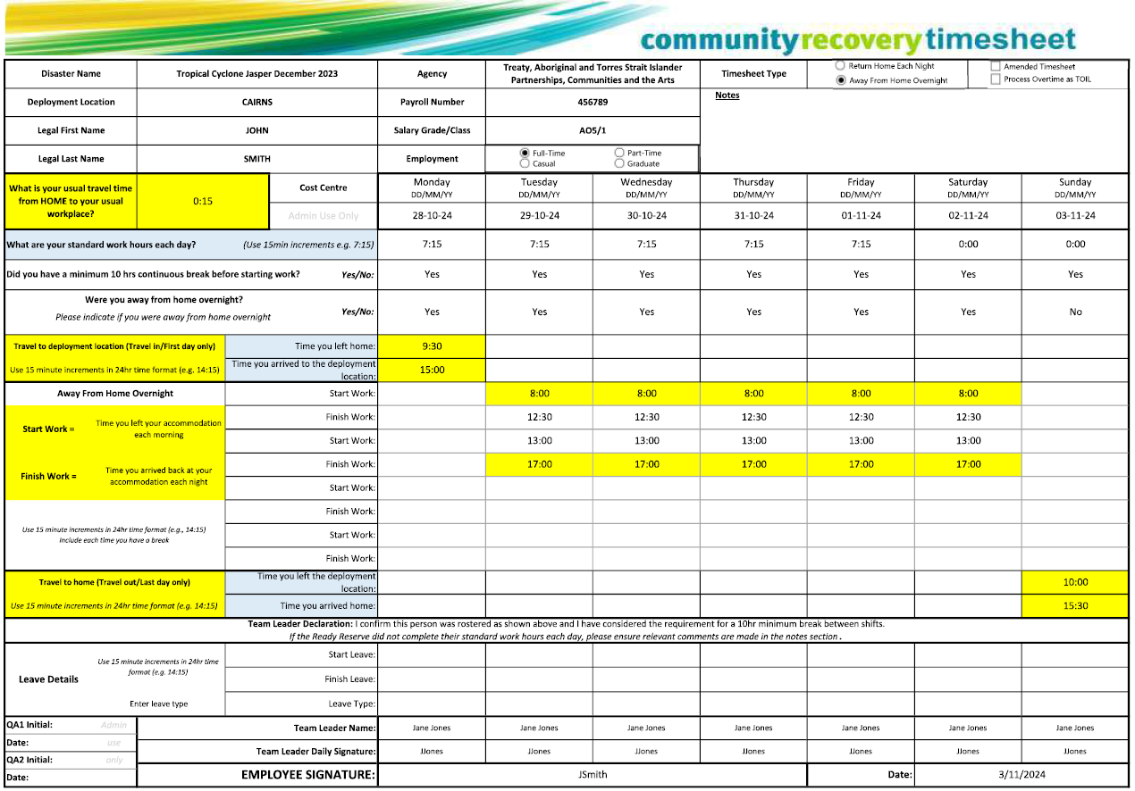

Completed RETURN HOME Timesheet
You must include Travel to Work and Travel to Home each day if you are travelling to a deployment location other than your usual workplace.
Ensure you complete 'Did you travel to a location other than your usual workplace' to assist with capturing Excess Travel entitlements
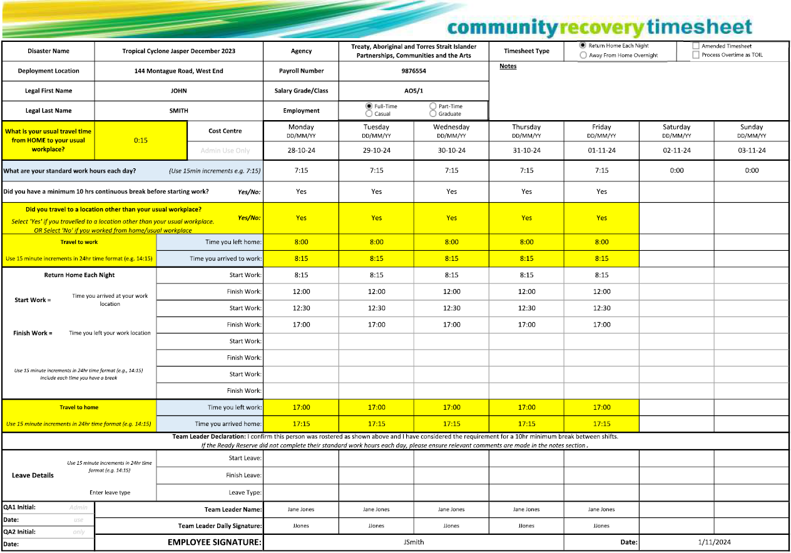

Completed SECOND PAGE of Timesheet
You must complete this page of your Community Recovery Timesheet to ensure that your deplyment details are recorded correctly.

